1. Title Page
Instacart Grocery Basket Analysis

Project Name: Instacart Grocery Basket Analysis
Date: 2-2-2025
Analyst Name: Sofia Siarlidou

Contents:
Population Flow
Consistency checks
Wrangling steps
Column derivations
Visualizations
Recommendations

2. Population Flow
 |  | Title page

Population flow

Exclusion flag
Condition: max_order < 5
Obervations to be removed: 44245
Final total count of order_products_all: 955,655

Orders_products_combined
Orders_products_merged
Orders_products_all

Total:
Total:32434489
Total:
19822744 | 32434489

1.) The grey boxes in the first row of the population flow represent the original data sets as they were when you downloaded them. In the Total fields you need to add the count of the rows when you imported the data set into Jupyter.
2.) The second row of boxes (coloured) represents the data sets after you manipulated them, e.g., removed missing values and duplicates. In the Total fields you need to add the count of the rows after conducting these operations. This offers a visual oveview of how the data flows throughout the data consistency checks.
3.) The third row, where also the arrows are coloured, represents the merges you performed between the datasets. In the Total fields you need to add the count of the rows in the merged datasets, so that you end up with the final dataset (in the red box). Keep in mind the final dataset should be without exclusions (based on the exclusion flag).

3. Consistency checks
 |  |  |  | Title page
Consistency checks

Dataset | Missing values | Missing values treatment | Duplicates
orders | # The days_since_prior_order column in the original df_ords DataFrame contains 206,209 missing values. This number exactly matches the count of unique user IDs in the dataset (206,209). | This suggests that each unique user has one missing value in this column, specifically associated with their very first order. Since there is no prior order for the initial purchase, the absence of a value in days_since_prior_order for these instances is expected and does not indicate a data error. | none
products | none | none | none
orders_products_prior | none | none | none
customers | missing names | replace with Unknown | none

4. Wrangling steps
 |  |  |  | Title page
Wrangling steps

Columns dropped | Columns renamed | Columns' type changed | Comment/Reason
first_name | First Name/first_name |  | PII removed
last_name | Surnam/last_name |  | PII removed
 |  | order_id | changed from integer to string
 | days_since_prior_order/days_since_last_order |  | making data clear
 |  | user_id | changed from integer to string
 | STATE/state
 | Age/age
signup_date |  | date

5. Column derivations
 |  |  |  | Title page

Column derivations and aggregations

price_range Mid-range product 673183
Low-range product 314392
High range 12425
Name: count, dtype: int64 [12]:
busiest_day Regularly busy 13717498
Busiest day 3783700
Least busy 2321546
Name: count, dtype: int64
busiests_days Regularly busy 7899599
Busiest days 7249322
Slowest days 4673823
Name: count, dtype: int64
busiest_period_of_day Most orders 638215
Average orders 313968
Fewest orders 47817
Name: count, dtype: int64
spending_flag Low spender 978614
High spender 21386
Name: count, dtype: int64
order_frequency_flag Frequent customer 664849
Regular customer 219649
Non-frequent customer 115502
Name: count, dtype: int64
Dataset | New column | Column/s it was derived from | Conditions
ords_prods_merge | price_range | prices | if prices <= 5 then 'Low-range product' if prices >5 & <= 15 then 'Mid-range product' if prices > 15 then 'High-range product' else 'not enough data'
ords_prods_merge | busiest_day | orders_day_of_week | if value == 0 then 'Busiest day' if value == 4 then 'Least busy' else 'Regularly busy'
ords_prods_merge | busiest_days | orders_day_of_week | if value == 0 or 1 then 'Busiest days' if value == 3 or 4 then 'Slowest days' else 'Regularly busy'
ords_prods_merge | busiest_period_of_day | hour_of_day | if value == 10 or 11 then 'Most orders' if value == 3 or 4 then 'Fewest orders' else 'Average orders'
ords_prods_merge | loyalty_flag | max_order | if value > 40 then 'Frequent customer' if value <= 40 & > 10 then 'Regular customer' if value < 10 then 'Non-frequent customer
ords_prods_merge | spending_flag | mean_spend | if value > 10 then 'Low spender' if value >= 10 then 'High spender'

6. Visualizations

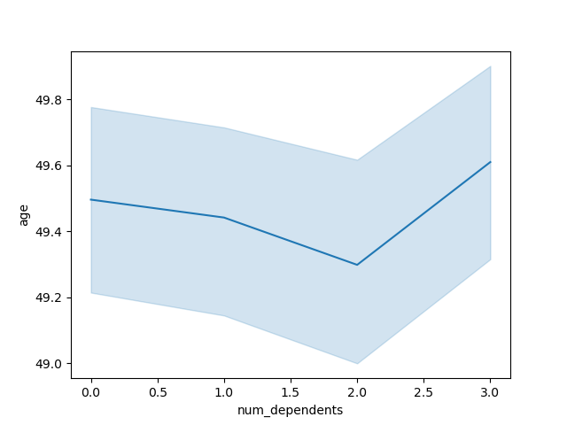
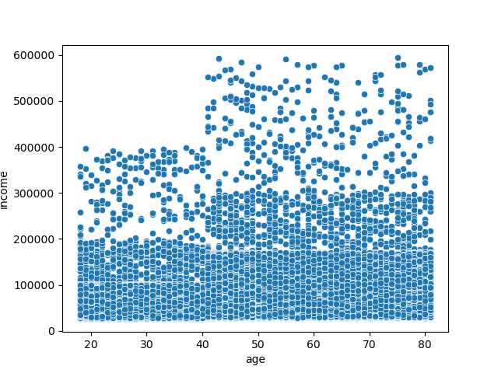
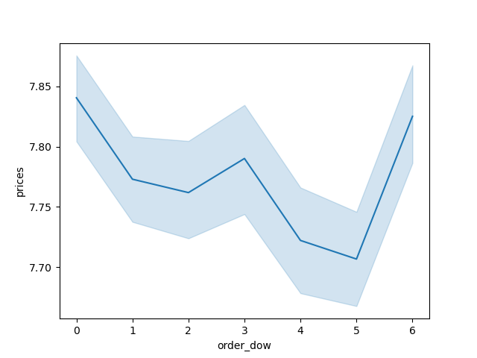
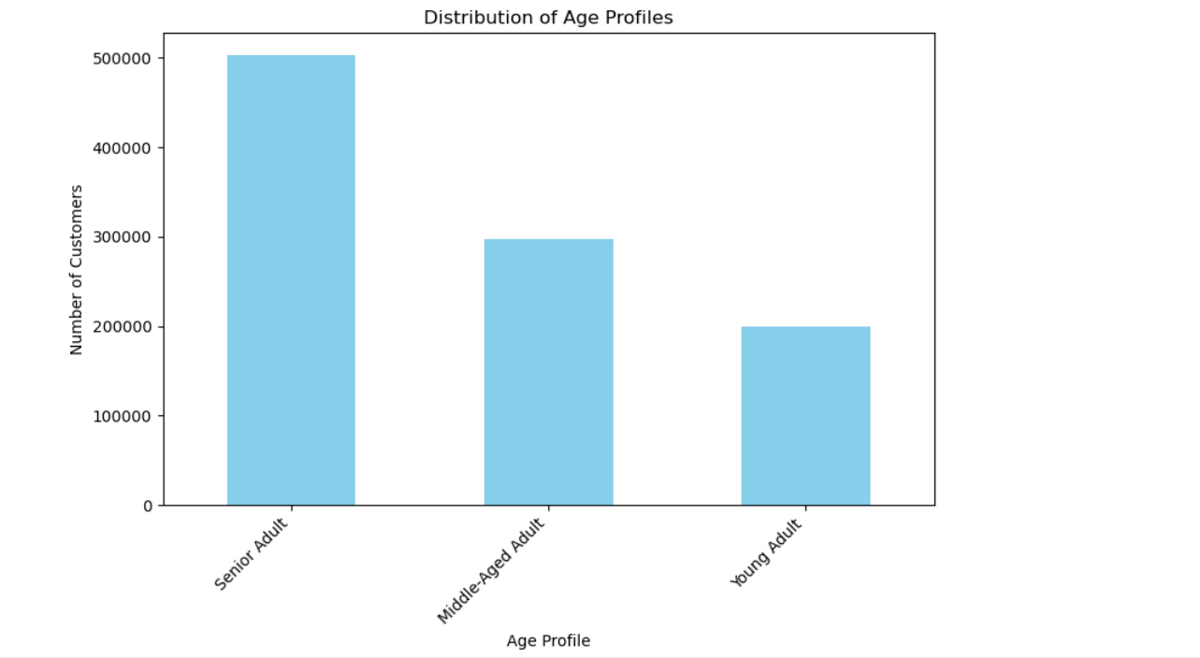
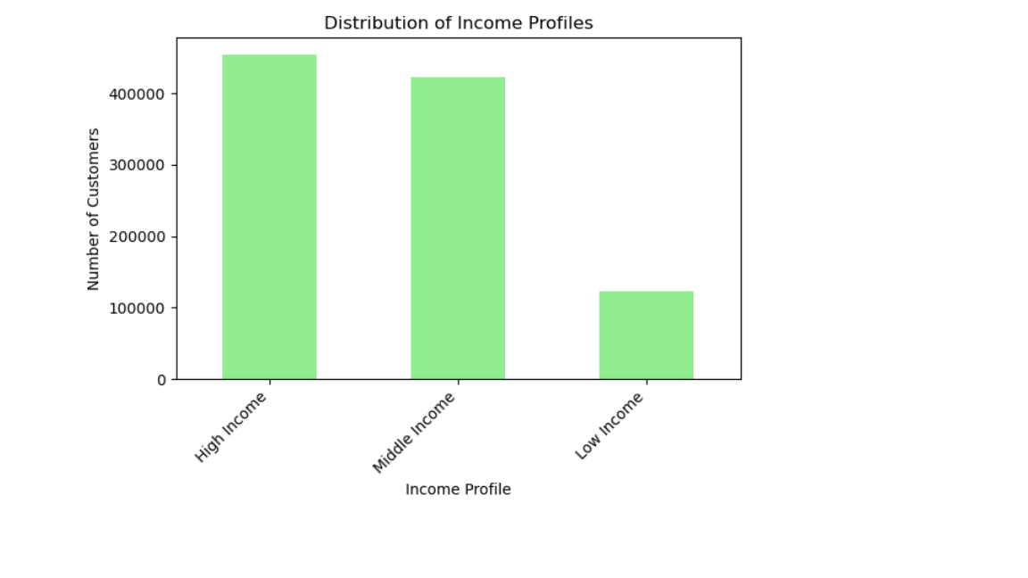
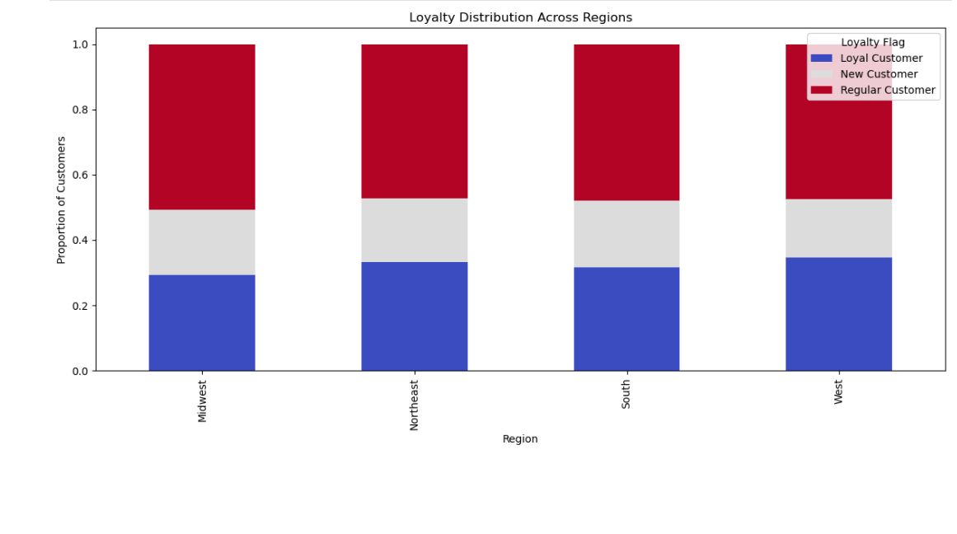
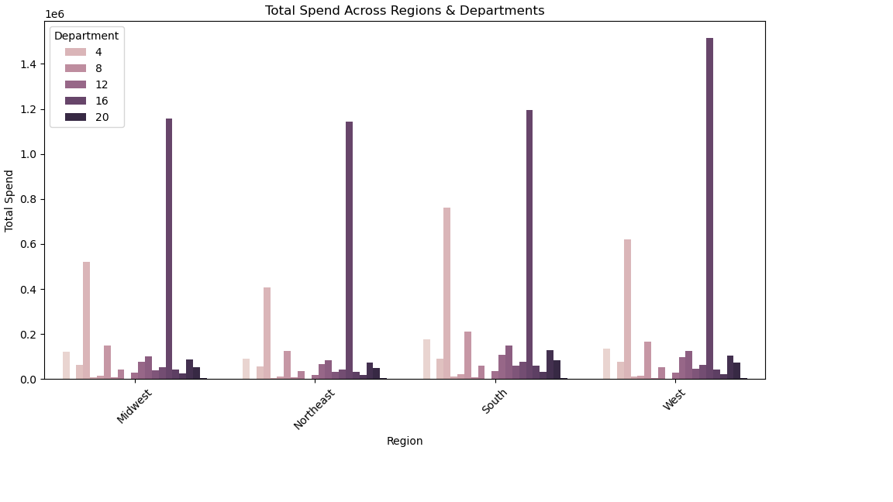
Title page

Visualisations
 | Which day of the week has the highest number of orders?
 | What is the approximate frequency of prices?
 | How does the average age tend to change as the number of dependents increases?
 | On which day of the week is the average price lowest?
 | Is there a noticeable correlation between age and income, and if so, how would you describe the relationship?
 | Which age profile represents the largest customer segment?
 | Which income profile represents the smallest customer segment, and approximately what percentage of the total customer base does this segment comprise?
 | How does customer loyalty vary across different regions?
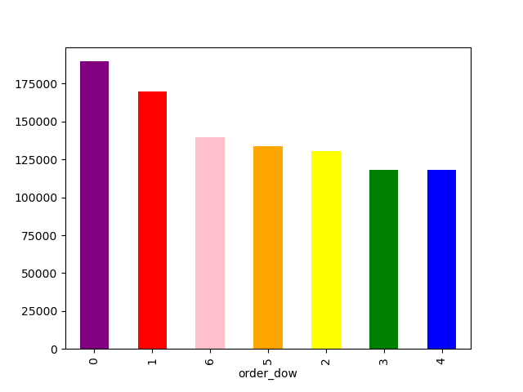
 | What is the total spend distribution across different regions and departments?

7. Recommendations
 |  |  |  |  |  | Title page

Recommendations

In this tab you should include any recommendations you would made to Instcart in terms of their marketing strategy based on the questions posed in the brief. Every key question has been covered in the Tasks of the Exercises - here you need to add an item - a visualisation or table/crosstable that is showing the answer in the data, acompanied by a comment from you. Please, list the questions below and add the answer underneath.

Question |  | Answer
Key Question 1 | How does customer loyalty vary across different regions? | The stacked bar chart clearly shows the proportion of each customer loyalty type (Loyal Customer, New Customer, Regular Customer) within each region (Midwest, Northeast, South, West). | While the overall patterns are similar, there might be subtle differences worth investigating. For instance, if one region has a slightly higher proportion of "New Customers," targeted onboarding campaigns or introductory offers could be beneficial in converting them into loyal customers. |  | 
Key Question 2 | What is the distribution of customer age profiles? | The bar chart clearly shows the distribution of customer age profiles. The largest segment is "Senior Adult", followed by "Middle-Aged Adult", and lastly "Young Adult". | Target Senior Adults with tailored messaging: Given the largest customer segment is "Senior Adult", Instacart should invest in marketing campaigns that resonate with this demographic. |  | 
Key Question 3 | What is the distribution of customer income profiles? | High Income and Middle Income segments are the largest: The chart confirms that the majority of Instacart's customers fall within the High and Middle Income brackets, with High Income slightly exceeding Middle Income. | Customer Retention Strategies Across Income Groups: Personalized Recommendations: Implement a recommendation engine that suggests products and deals based on past purchases and income level. Targeted Promotions: Offer customized promotions and discounts that align with the specific needs and budgets of each income segment. | 
Key Question 4 | What is the total spend distribution across different regions and departments? | The chart clearly shows the total spend for each department within each region. This allows for a direct comparison of performance across different areas of the business

Key Question 5 | What are the busiest days and hours of the week | The chart indicates the busiest days of the week. Saturday (0) is the busiest day, followed by Sunday (1). | Targeted Promotions: Implement special promotions, discounts, or bundles specifically for Saturdays and Sundays. This could incentivize even more purchases on your already busy days.

